MEMBERS
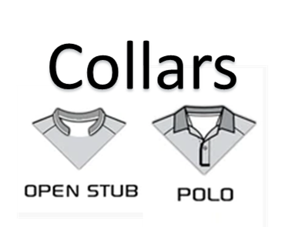
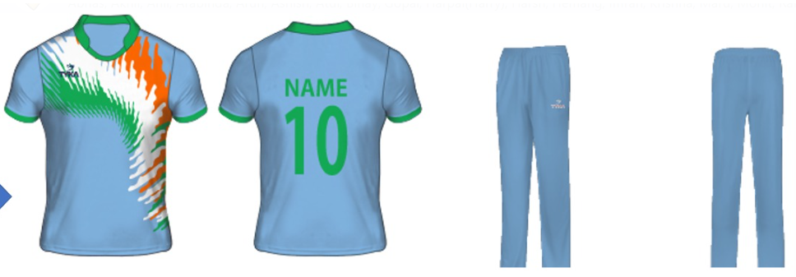
< All entires needs to be filled> |  | T- SHIRT |  |  | JACKET | NAME & NUMBER |  |  | GUIDELINES FOR SIZES
 | NAME (First Last) | SIZE | SLEEVE LNGTH | LENGTH | LENGTH | NAME | NUMBER | Qty | Collect $$
 | Ram Venkateswaran | L | FULL | M | L | RAM | 24 | 1 | 25
 | ARABINDA MISHRA | L | FULL | M |  | ARABINDA | 19 | 1
 | RISHI ADARI | M | FULL | M |  | RISHI | 360 | 1
 | Binay Anand | L | Half | M |  | BINAY | 22 | 1
 | Imran Gilani | M | HALF | S |  | IMRAN | 8 | 1
 | Renish | XL | FULL | XL | XL | RENISH | 104 | 2 | 55
 | Susheendra Karanth | M | FULL | M | M | SUDHEE | 18 | 2 | 25
 | Ashish | XL | Half | XL |  | ASH | 7 | 1
 | Meghal | L | Half | M |  | MAC | 7 | 1
 | Vishwesh Shukla | S | Half | S |  | VISH | 12 | 1
 | Rahul Reddy | M | Half | M |  | RRG | 19 | 2 | 30
 | Sanjeev Bhawsinka | L | Half | L |  | SANJEEV | 45 | 2 | 30
 | Wayne Dsouza | L | Half | M |  | WAYNE | 26 | 1
 | Sourabh Malhotra | S | Half | S |  | SOURABH | 360 | 1
 | Parimal Patel | L | Full | M |  | PARIMAL | 2 | 1
 | Richy Yati Mishra | M | Full | M |  | RICHY | 29 | 1
charge | Navin Vatnani | L | Full | L |  | NAVIN | 13 | 1 | 30
 | Parkash Bachani | L | Full | M |  | BACHANI | 3 | 1
charge | Sanjay Aggarwal | M | Full | M |  | BHURU | 56 | 1
 | Sanjay Aggarwal | M | Full | M | M | SANJAY | 56 | 1 | 55
 | Sid Marathe | L | Half | M |  | SID | 10 | 1
 | Tushar Desai | L | Half | M | L | TD | 7 | 1 | 25
charge | Rajoo Patel | M | Half | M | M | Raj | 11 | 1 | 30
 | Chirag Pandya | S | Full | S |  | CHIRAG | 16 | 1
 | Hemang mehta | M | Full | M |  | HEMANG | 18 | 1
 | Mallikarjuna | S | Full | M |  | MALLI | 9 | 1
 | Ramesh | M | Full | M |  | R | 8 | 1
 | krishna | M | Full | M | M | KRISHNA | 19 | 2 | 55
 | Harsh | M | Full | M | M | HARSH | 01 | 2 | 30
 | Gopal Agarwal | L | Full | M | L | GOPAL | 108 | 1 | 25
 | Anil | L | Full | L |  | ANIL | 5 | 1
 | Harpal Dhaliwal | L | Full | L |  | HARPAL | 9 | 1
 | Arun | L | Full | L |  | ARUN | 7 | 1 | 25
 | Kiran Unnikrishnan | S | Half | M |  | KIRAN | 23 | 1
 | Sunit Singal | L | Full | M |  | SUNIT | 14 | 1
 | Harpreet Singh | M | Full | M |  | SINGH | 13 | 1
 | Atul Maurya | XL | Full | L |  | ATUL | 1552 | 1
 | Ritesh Mirani | XL | Half | L | XL | RITESH | 22 | 1 | 25
 | Akhil Siddela | M | Full | M | M | AKHIL | 999 | 1
 | Pratyaksh Christy | M | Full | M |  | PRATYAKSH | 107 | 1
 | Ratnakar Shetty | L | Full | M |  | RATNA | 63 | 1
 | Joshua Alphonso | M | Full | M |  | JOSHUA |  | 1
 | Victor Verma | L | Full | M |  | VICTOR |  | 1
 | Partha Mohanty | M | Full | M |  | PARTHA | 6 | 1
 | Siddhant | M | Half | M |  | SID | 18 | 1
Not paid | Maru | S | Full | S |  | MARU | 100 | 1
 | DCC Med Player | M | Half | M | M (3qty) | DCC |  | 2
 | DCC Med Player | M | Full | M |  | DCC |  | 2
 | DCC Large Player | L | Half | L | L (3qty) | DCC |  | 2
 | DCC Large Player | L | Full | L |  | DCC |  | 2

 |  |  |  |  |  |  |  |  |  | CAPS(ORANGE) | 5

